Siteplan
Irish Traffic Surveys LTD
Survey Name : |  | ITS - 1078 N11 Kilpedder
Survey Type: |  | Automatic Traffic Count (ATC) Survey
Date: |  | 10.03.26 - 17.03.26
Time: |  | 00:00 - 23:59
Location: |  | 53.117758, -6.109315
Classification: |  | Car, LGV, OGV1, OGV2, PSV
Grid Reference: |  | O 26620 09111
X: |  | 326620
Y: |  | 209111
Latitude: |  | 53.117758
Longitude: |  | -6.109315
Address (near): |  | Kilpedder Road, Kilcoole ED, The Municipal District of Greystones, County Wicklow, Leinster, A63 DE00, Ireland
Site Overview
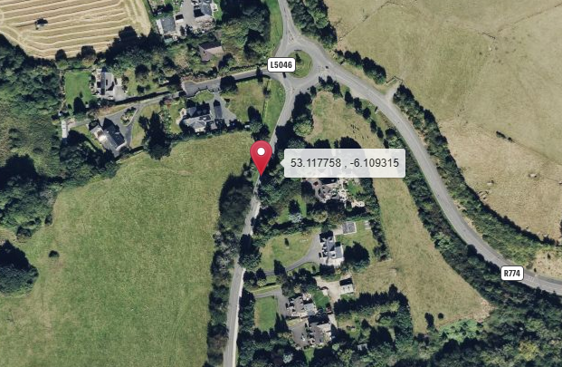

Direction A

Direction B

N

Description | Grid Reference | X | Y | Latitude | Longitude | Postcode | Address (near) | Point Link | Link For All Points
53.992382 , -6.512409 | H 97604 05799 | 297604 | 305799 | 53.992382 | -6.512409 |  | L31361, Castlering ED, The Municipal District of Dundalk, County Louth, Leinster, Ireland | Link | Link for All 1 Points

Summary
Irish Traffic Surveys LTD
Survey Name : |  | ITS - 1078 N11 Kilpedder
Survey Type: |  | Automatic Traffic Count (ATC) Survey
Date: |  | 10.03.26 - 17.03.26
Time: |  | 00:00 - 23:59
Location: |  | 53.117758, -6.109315
Classification: |  | Car, LGV, OGV1, OGV2, PSV
Site 2 |  |  |  |  |  |  | Weather
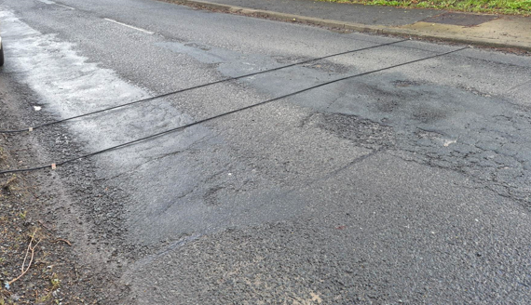
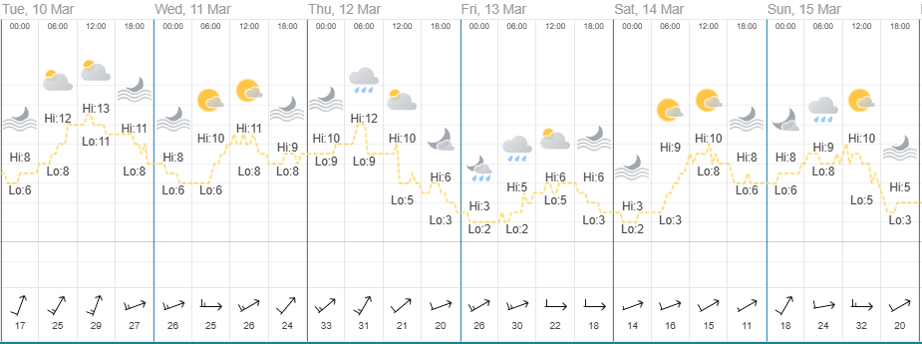
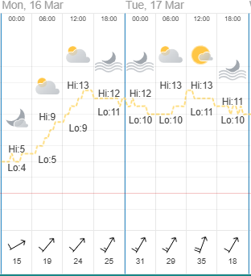
Direction A

Direction B

Virtual Week
Virtual Week - Both Directions |  |  |  |  |  |  |  |  |  |  | Virtual Week - Direction A |  |  |  |  |  |  |  |  |  |  | Virtual Week - Direction B

 | Monday | Tuesday | Wednesday | Thursday | Friday | Saturday | Sunday | AWDT | AWET | ADT |  | Monday | Tuesday | Wednesday | Thursday | Friday | Saturday | Sunday | AWDT | AWET | ADT |  | Monday | Tuesday | Wednesday | Thursday | Friday | Saturday | Sunday | AWDT | AWET | ADT
0:00:00 | 4 | 5 | 8 | 1 | 12 | 18 | 6 | 6 | 12 | 8 | 0:00:00 | 2 | 3 | 3 | 0 | 3 | 8 | 2 | 2 | 5 | 3 | 0:00:00 | 2 | 2 | 5 | 1 | 9 | 10 | 4 | 4 | 7 | 5
1:00:00 | 3 | 1 | 0 | 1 | 3 | 10 | 17 | 2 | 14 | 5 | 1:00:00 | 1 | 1 | 0 | 0 | 1 | 4 | 9 | 1 | 7 | 2 | 1:00:00 | 2 | 0 | 0 | 1 | 2 | 6 | 8 | 1 | 7 | 3
2:00:00 | 0 | 4 | 0 | 1 | 2 | 0 | 5 | 1 | 3 | 2 | 2:00:00 | 0 | 2 | 0 | 1 | 1 | 0 | 2 | 1 | 1 | 1 | 2:00:00 | 0 | 2 | 0 | 0 | 1 | 0 | 3 | 1 | 2 | 1
3:00:00 | 1 | 0 | 2 | 2 | 0 | 3 | 6 | 1 | 5 | 2 | 3:00:00 | 1 | 0 | 2 | 1 | 0 | 1 | 4 | 1 | 3 | 1 | 3:00:00 | 0 | 0 | 0 | 1 | 0 | 2 | 2 | 0 | 2 | 1
4:00:00 | 3 | 3 | 2 | 1 | 5 | 5 | 3 | 3 | 4 | 3 | 4:00:00 | 3 | 3 | 2 | 1 | 5 | 4 | 3 | 3 | 4 | 3 | 4:00:00 | 0 | 0 | 0 | 0 | 0 | 1 | 0 | 0 | 1 | 0
5:00:00 | 11 | 9 | 10 | 13 | 9 | 5 | 6 | 10 | 6 | 9 | 5:00:00 | 10 | 9 | 8 | 13 | 8 | 4 | 5 | 10 | 5 | 8 | 5:00:00 | 1 | 0 | 2 | 0 | 1 | 1 | 1 | 1 | 1 | 1
6:00:00 | 39 | 402 | 356 | 179 | 33 | 14 | 5 | 202 | 10 | 147 | 6:00:00 | 31 | 394 | 350 | 175 | 27 | 11 | 4 | 195 | 8 | 142 | 6:00:00 | 8 | 8 | 6 | 4 | 6 | 3 | 1 | 6 | 2 | 5
7:00:00 | 91 | 308 | 187 | 142 | 127 | 46 | 18 | 171 | 32 | 131 | 7:00:00 | 65 | 281 | 160 | 115 | 96 | 35 | 15 | 143 | 25 | 110 | 7:00:00 | 26 | 27 | 27 | 27 | 31 | 11 | 3 | 28 | 7 | 22
8:00:00 | 148 | 247 | 236 | 229 | 230 | 81 | 42 | 218 | 62 | 173 | 8:00:00 | 113 | 179 | 165 | 165 | 157 | 64 | 35 | 156 | 50 | 125 | 8:00:00 | 35 | 68 | 71 | 64 | 73 | 17 | 7 | 62 | 12 | 48
9:00:00 | 147 | 478 | 162 | 164 | 177 | 153 | 92 | 226 | 123 | 196 | 9:00:00 | 106 | 422 | 105 | 113 | 129 | 110 | 65 | 175 | 88 | 150 | 9:00:00 | 41 | 56 | 57 | 51 | 48 | 43 | 27 | 51 | 35 | 46
10:00:00 | 166 | 126 | 152 | 152 | 160 | 168 | 138 | 151 | 153 | 152 | 10:00:00 | 114 | 93 | 109 | 107 | 99 | 109 | 99 | 104 | 104 | 104 | 10:00:00 | 52 | 33 | 43 | 45 | 61 | 59 | 39 | 47 | 49 | 47
11:00:00 | 169 | 134 | 162 | 164 | 158 | 188 | 146 | 157 | 167 | 160 | 11:00:00 | 99 | 88 | 107 | 99 | 107 | 120 | 101 | 100 | 111 | 103 | 11:00:00 | 70 | 46 | 55 | 65 | 51 | 68 | 45 | 57 | 57 | 57
12:00:00 | 180 | 136 | 168 | 182 | 173 | 212 | 133 | 168 | 173 | 169 | 12:00:00 | 114 | 91 | 114 | 120 | 118 | 133 | 88 | 111 | 111 | 111 | 12:00:00 | 66 | 45 | 54 | 62 | 55 | 79 | 45 | 56 | 62 | 58
13:00:00 | 181 | 155 | 174 | 162 | 189 | 203 | 145 | 172 | 174 | 173 | 13:00:00 | 114 | 84 | 107 | 96 | 110 | 122 | 85 | 102 | 104 | 103 | 13:00:00 | 67 | 71 | 67 | 66 | 79 | 81 | 60 | 70 | 71 | 70
14:00:00 | 200 | 164 | 181 | 153 | 207 | 142 | 142 | 181 | 142 | 170 | 14:00:00 | 124 | 112 | 108 | 96 | 123 | 88 | 91 | 113 | 90 | 106 | 14:00:00 | 76 | 52 | 73 | 57 | 84 | 54 | 51 | 68 | 53 | 64
15:00:00 | 202 | 163 | 211 | 194 | 232 | 119 | 158 | 200 | 139 | 183 | 15:00:00 | 123 | 93 | 111 | 102 | 138 | 72 | 92 | 113 | 82 | 104 | 15:00:00 | 79 | 70 | 100 | 92 | 94 | 47 | 66 | 87 | 57 | 78
16:00:00 | 189 | 202 | 216 | 198 | 243 | 157 | 118 | 210 | 138 | 189 | 16:00:00 | 115 | 112 | 129 | 119 | 135 | 94 | 73 | 122 | 84 | 111 | 16:00:00 | 74 | 90 | 87 | 79 | 108 | 63 | 45 | 88 | 54 | 78
17:00:00 | 161 | 200 | 209 | 206 | 250 | 148 | 127 | 205 | 138 | 186 | 17:00:00 | 96 | 133 | 131 | 124 | 152 | 89 | 79 | 127 | 84 | 115 | 17:00:00 | 65 | 67 | 78 | 82 | 98 | 59 | 48 | 78 | 54 | 71
18:00:00 | 133 | 127 | 156 | 133 | 151 | 106 | 105 | 140 | 106 | 130 | 18:00:00 | 78 | 75 | 95 | 83 | 90 | 60 | 58 | 84 | 59 | 77 | 18:00:00 | 55 | 52 | 61 | 50 | 61 | 46 | 47 | 56 | 47 | 53
19:00:00 | 103 | 102 | 92 | 95 | 106 | 81 | 84 | 100 | 83 | 95 | 19:00:00 | 59 | 50 | 49 | 52 | 62 | 50 | 46 | 54 | 48 | 53 | 19:00:00 | 44 | 52 | 43 | 43 | 44 | 31 | 38 | 45 | 35 | 42
20:00:00 | 67 | 84 | 73 | 72 | 84 | 48 | 58 | 76 | 53 | 69 | 20:00:00 | 31 | 43 | 40 | 34 | 45 | 30 | 35 | 39 | 33 | 37 | 20:00:00 | 36 | 41 | 33 | 38 | 39 | 18 | 23 | 37 | 21 | 33
21:00:00 | 48 | 39 | 70 | 66 | 44 | 36 | 32 | 53 | 34 | 48 | 21:00:00 | 27 | 18 | 37 | 35 | 27 | 21 | 17 | 29 | 19 | 26 | 21:00:00 | 21 | 21 | 33 | 31 | 17 | 15 | 15 | 25 | 15 | 22
22:00:00 | 31 | 18 | 34 | 33 | 40 | 43 | 25 | 31 | 34 | 32 | 22:00:00 | 16 | 9 | 11 | 19 | 21 | 23 | 14 | 15 | 19 | 16 | 22:00:00 | 15 | 9 | 23 | 14 | 19 | 20 | 11 | 16 | 16 | 16
23:00:00 | 16 | 10 | 12 | 19 | 23 | 20 | 20 | 16 | 20 | 17 | 23:00:00 | 6 | 5 | 6 | 7 | 10 | 12 | 10 | 7 | 11 | 8 | 23:00:00 | 10 | 5 | 6 | 12 | 13 | 8 | 10 | 9 | 9 | 9
Total | 2293 | 3117 | 2873 | 2562 | 2658 | 2006 | 1631 | 2701 | 1819 | 2449 | Total | 1448 | 2300 | 1949 | 1677 | 1664 | 1264 | 1032 | 1808 | 1148 | 1619 | Total | 845 | 817 | 924 | 885 | 994 | 742 | 599 | 893 | 671 | 829

AM peak | 169 (1100) | 478 (0900) | 356 (0600) | 229 (0800) | 230 (0800) | 188 (1100) | 146 (1100) | 226 (0900) | 167 (1100) | 196 (0900) | AM peak | 114 (1000) | 422 (0900) | 350 (0600) | 175 (0600) | 157 (0800) | 120 (1100) | 101 (1100) | 195 (0600) | 111 (1100) | 150 (0900) | AM peak | 70 (1100) | 68 (0800) | 71 (0800) | 65 (1100) | 73 (0800) | 68 (1100) | 45 (1100) | 62 (0800) | 57 (1100) | 57 (1100)
PM peak | 202 (1500) | 202 (1600) | 216 (1600) | 206 (1700) | 250 (1700) | 212 (1200) | 158 (1500) | 210 (1600) | 174 (1300) | 189 (1600) | PM peak | 124 (1400) | 133 (1700) | 131 (1700) | 124 (1700) | 152 (1700) | 133 (1200) | 92 (1500) | 127 (1700) | 111 (1200) | 115 (1700) | PM peak | 79 (1500) | 90 (1600) | 100 (1500) | 92 (1500) | 108 (1600) | 81 (1300) | 66 (1500) | 88 (1600) | 71 (1300) | 78 (1500)
Day peak | 202 (1500) | 478 (0900) | 356 (0600) | 229 (0800) | 250 (1700) | 212 (1200) | 158 (1500) | 226 (0900) | 174 (1300) | 196 (0900) | Day peak | 124 (1400) | 422 (0900) | 350 (0600) | 175 (0600) | 157 (0800) | 133 (1200) | 101 (1100) | 195 (0600) | 111 (1100) | 150 (0900) | Day peak | 79 (1500) | 90 (1600) | 100 (1500) | 92 (1500) | 108 (1600) | 81 (1300) | 66 (1500) | 88 (1600) | 71 (1300) | 78 (1500)

Mean | 49.6 | 49.4 | 49.9 | 50.5 | 49.9 | 50.4 | 50.5 | 49.8 | 50.4 | 50.0 | Mean | 49.4 | 48.8 | 49.5 | 50.6 | 49.6 | 50.0 | 50.3 | 49.5 | 50.1 | 49.7 | Mean | 49.9 | 50.9 | 50.7 | 50.3 | 50.6 | 50.9 | 50.8 | 50.5 | 50.9 | 50.6
Speed 85% | 57.8 | 58.1 | 58.7 | 58.7 | 57.8 | 59.0 | 58.4 | 58.1 | 58.9 | 58.3 | Speed 85% | 58.1 | 57.8 | 58.5 | 59.4 | 57.8 | 59.4 | 58.9 | 58.3 | 59.2 | 58.5 | Speed 85% | 57.2 | 58.5 | 58.9 | 57.6 | 57.7 | 58.9 | 58.0 | 58.0 | 58.3 | 58.1
Exceeding | 231 | 324 | 337 | 303 | 262 | 263 | 184 | 291 | 224 | 272 | Exceeding | 156 | 236 | 231 | 227 | 173 | 172 | 125 | 205 | 149 | 189 | Exceeding | 75 | 88 | 106 | 76 | 89 | 91 | 59 | 87 | 75 | 83
Percent Ex | 10.07 | 10.39 | 11.73 | 11.83 | 9.857 | 13.11 | 11.28 | 10.79 | 12.29 | 11.11 | Percent Ex | 10.77 | 10.26 | 11.85 | 13.54 | 10.40 | 13.61 | 12.11 | 11.32 | 12.94 | 11.65 | Percent Ex | 8.876 | 10.77 | 11.47 | 8.588 | 8.954 | 12.26 | 9.850 | 9.720 | 11.19 | 10.06
...

COBA Classification Legend
...
 |  |  |  | Report Legend |  | Coba Classification Chart
...
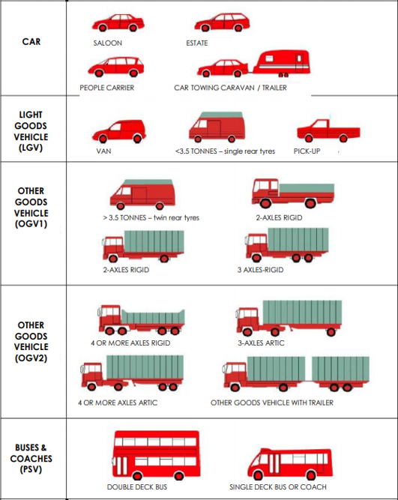
SP3 Axle Width | SP4 Axle Width | SP5 Axle Width |  | Time [-- | Time Range
 |  |  | MC/Pedalcyclist | Total | Total number of Vehicles
 |  |  |  | Vmin Speed | Minimum Recorded Speed
 |  |  | Car | Vmax Speed | Maximum Recorded Speed
 |  |  |  | Mean Average Speed | Average Recorded Speeds
 |  |  |  | Vpp 85% Speed | 85 % Percentile Speed
0.50 - 1.30 |  |  |  | Cls 1 Car | Total number of Vehicles
 |  |  | LGV | Cls 2 LGV | Total number of Vehicles
 |  |  |  | Cls 3 OGV1 | Total number of Vehicles
 |  |  |  | Cls 4 OGV2 | Total number of Vehicles
 |  |  | OGV1 | Cls 5 PSV | Total number of Vehicles
1.00 - 1.90 |  |  |  | ]PSL 80 | Number of vehicles in excess of Speed Limit
1.00 - 2.50 |  |  |  | Average Speed Car | Average Speed for Cars
 |  |  |  | Average Speed LGV | Average Speed for LGV
 |  |  |  | Average Speed OGV1 | Average Speed for OGV1
2.50 - 12.00 |  |  |  | Average Speed OGV2 | Average Speed for OGV2
0.50 - 2.50 |  |  |  | Average Speed PSV | Average Speed for PSV
1.05 - 2.50
1.05 - 1.30
2.00 - 15.00 |  |  | OGV2
2.00 - 15.00
2.00 - 12.00 | 1.00 - 1.90
1.90 - 12.00 | 2.50 - 12.00
2.00 - 15.00 | 1.00 - 2.50
2.00 - 15.00 | 1.00 - 2.50
0.70 - 1.80 | 0.70 - 1.80
1.90 - 12.00 | 2.00 - 12.00 | 1.00 - 1.90
2.00 - 15.00 | 1.00 - 1.90 | 1.00 - 1.90
 |  |  | PSV
...

